Jana
Jana |  |  | 310-290

1) What do I need to write a test case to verify database
- Do we have documentation for the data that is in the database? or for the overall system?
- database schema?
- how is the data defined?
- do we already have some data or do we need to create some data
- test objective? integrity, manipulation, security, timeliness
- connection and environment conditions?
- accesses?

2) Test scenario design | TEST CASE
 |  | 2.1 Database structure verification
 | Description: | Verifying the creation of the student database and verifying the list of columns in the table [id (bigInt), age (int), email (text), first_name (text), last_name (text)]
 | Tool: | My SQL workbench
 | Prerequisites: | database : databaze qa_demo host aws.connect.psdb.cloud userName i84vadv7fflhyhbagctk password pscale_pw_j82wJU4Hp0uLgF29FuatMj8dYSrrvzpIBtiJRQ8yshQ
 | Steps: | 1) list the tables with the query SHOW TABLES
 |  | 2) display the student table with the query DESCRIBE student
 | Expected result: | 1) a list with the table 'student' will be displayed
 |  | 2) a list of columns in the table and their data types will be displayed as follows: id (bigInt), age (int), email (text), first_name (text), last_name (text)

3) Test the given test case | TEST REPORT
 | Date: | 12/04/2024
 | Enviroment: | Win 11 Pro + MySQL Workbench 8.0 CE
 | Test: | Database structure verification:
 | Status: | PASSED
 | Actual steps: | 1) table student found see attachment
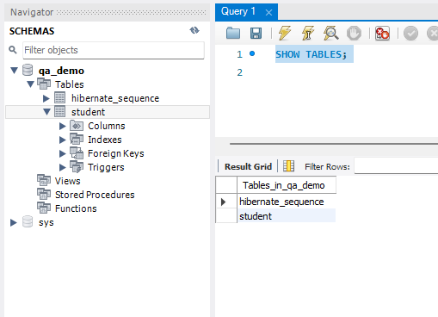

 |  | 2) the column list and their data types match, see the attachment
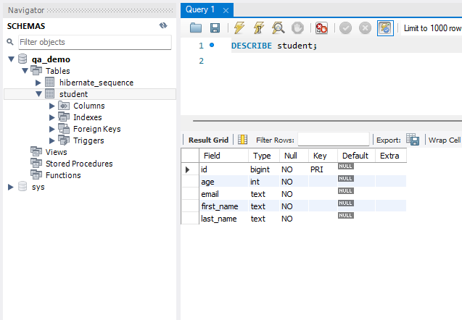

4) What do I need to write a test case to verify GET method

- do we have documentation for the http page / do we know the structure?
- URL address
- is there any other access needed?
- data for other pages / users and their data to test / or are we only testing the page response?
- does the data exist or do we have to create the data
- purpose of the test? load response time load?
- environment?

5.) Test case to verify "GET method": | TEST CASE
 |  | 5.1 Verify the student data | 5.2 Verify the student data - negative - ID correct format | 5.3 Verify the student data - negative - ID incorrect format | 5.4 Verify the student data - no ID - all students
 | Descriptions: | Validate existing student data and display correct data from the database | Validate to get data of a non-existent student with the correct ID format | Validate to get data of a non-existent student with the incorrect ID format | Validate to get data of all students by not providing ID
 | Tool: | My SQL workbench / Postman | My SQL workbench / Postman | My SQL workbench / Postman | My SQL workbench / Postman
 | Prerequisites: | URL: http://database.stedro.com:8080/api/v1/students/<student_id> | URL: http://database.stedro.com:8080/api/v1/students/<student_id> | URL: http://database.stedro.com:8080/api/v1/students/<student_id> | URL: http://database.stedro.com:8080/api/v1/students/<student_id>
 |  | database : databaze qa_demo host aws.connect.psdb.cloud userName i84vadv7fflhyhbagctk password pscale_pw_j82wJU4Hp0uLgF29FuatMj8dYSrrvzpIBtiJRQ8yshQ | database : databaze qa_demo host aws.connect.psdb.cloud userName i84vadv7fflhyhbagctk password pscale_pw_j82wJU4Hp0uLgF29FuatMj8dYSrrvzpIBtiJRQ8yshQ | database : databaze qa_demo host aws.connect.psdb.cloud userName i84vadv7fflhyhbagctk password pscale_pw_j82wJU4Hp0uLgF29FuatMj8dYSrrvzpIBtiJRQ8yshQ | database : databaze qa_demo host aws.connect.psdb.cloud userName i84vadv7fflhyhbagctk password pscale_pw_j82wJU4Hp0uLgF29FuatMj8dYSrrvzpIBtiJRQ8yshQ
 | Test DATA prep: | id=171 | id=172
 |  | age=34
 |  | email=jjohn34@yourmail.com
 |  | first_name=John
 |  | last_name=234
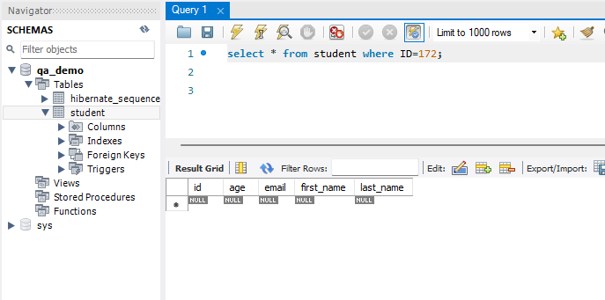

 | Steps: | 1) user sends URI: GET http://database.stedro.com:8080/api/v1/students/171 | 1) user sends URI: GET http://database.stedro.com:8080/api/v1/students/172 | 1) user sends URI: GET http://database.stedro.com:8080/api/v1/students/jana | 1) user sends URI: GET http://database.stedro.com:8080/api/v1/students
 | Expected result: | 1) Request get info about student 171, server reply 200 (OK) and show details about student in the format: { "id":171, "firstName":John; "lastName": 234; "email": jjohn34@yourmail.com; "age": 34 } | 1) Request get info about non existing student ID 172, server reply 404 not found. | 1) Request get info in incorrect formnat "jana", server reply 400 bad request. | 1) Request get info about all students not using any ID, server reply 400 bad request.

6) testing test cases "method GET" | TEST REPORT
 | Date: | 16/04/2024 | 16/04/2024 | 16/04/2024 | 16/04/2024
 | Enviroment: | Win 11 Pro + MySQL Workbench 8.0 CE + Postman for Windows 10.24.19 | Win 11 Pro + MySQL Workbench 8.0 CE + Postman for Windows 10.24.20 | Win 11 Pro + MySQL Workbench 8.0 CE + Postman for Windows 10.24.21 | Win 11 Pro + MySQL Workbench 8.0 CE + Postman for Windows 10.24.22
 | Status: | PASSED | FAILED | PASSED | FAILED
 | actual steps: | 1) student data matched, server respons 200 OK see as per attachment | 1) expexted code response 404 not found, but actual response is 500 internal server error as per attachmnet | 1) server response 400 bad request as per attachment | 1) server response 200 OK and show all students data
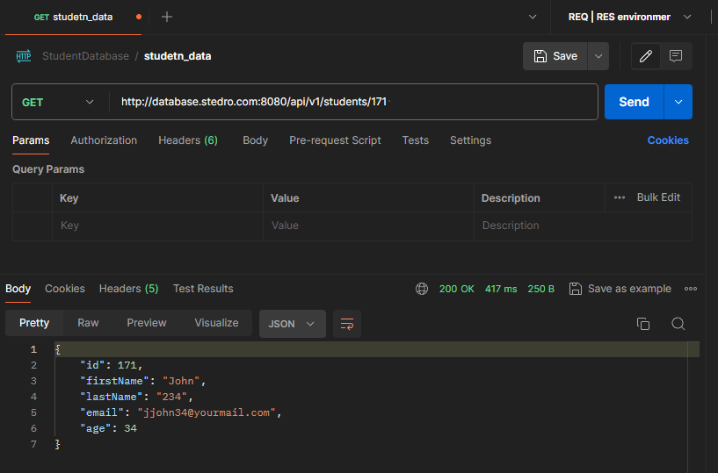
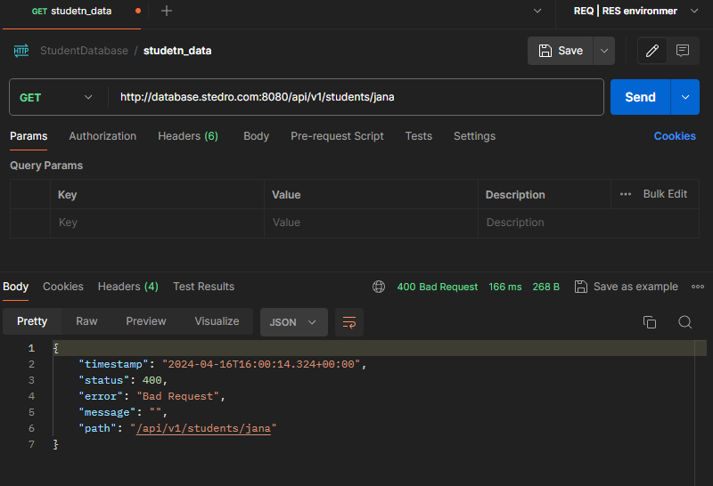

 | BUG REPORT:
 | Defect ID: | 1
 | Defect Title:
 |  | Server response for non existing student

 | Defect description: | When sending request to get response for not existing students getting response 500 internal reserver error .
 | Expected behavior:
 |  | server response 404 not found.
 | Steps to reproduce:
 |  | 1) confim in database that ID 172 is non existing student
 |  | 2) send URI: GET http://database.stedro.com:8080/api/v1/students/172
 | Enviroment:
 |  | Win 11 Pro + MySQL Workbench 8.0 CE + Postman for Windows 10.24.19
 | Severity + priority:
 |  | Severity - medium
 |  | Priority - normal

 | Evidence: | Screenshots showing that ID is not existing student
 |  | Postman server response
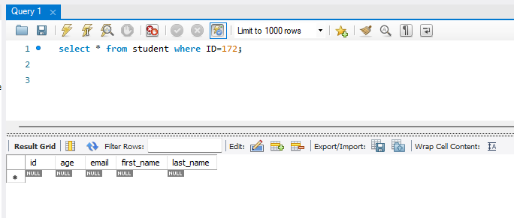

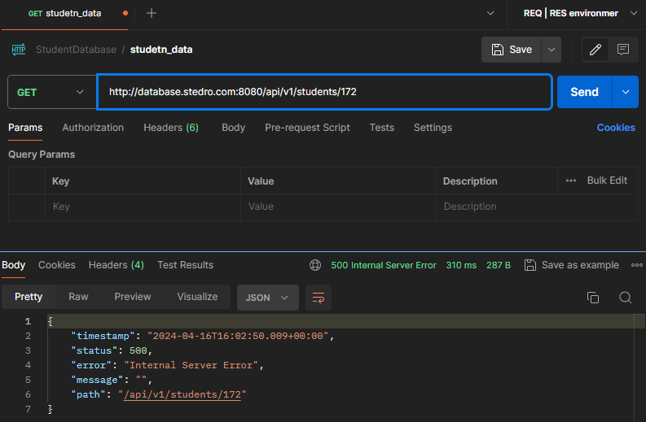

7) What do I need to write a test case to verify the purpose of the DELETE method

- are we using existing data in the DB or do we have to create the data?
- permissions to write and delete data in the database or contact person
- expected HTTP status codes
- DELETE entire user objects, parts
--> test purpose?
- URL

8) Test case to verify the DELETE method | TEST CASE
 |  | 8.1 Delete the student data | 8.2 Delete the student data - not existing student | 8.3 Delete the student data - invalid student ID format | 8.4 Delete the student data
 | Descriptions: | Delete existing student data and data will be not found in the database | Delete non existing student data with valide ID format | Delete student data with invalide ID format | Delete all student data
 | Tool: | My SQL workbench / Postman | My SQL workbench / Postman | My SQL workbench / Postman | My SQL workbench / Postman
 | Prerequisites: | URL: http://database.stedro.com:8080/api/v1/students/<student_id> | URL: http://database.stedro.com:8080/api/v1/students/<student_id> | URL: http://database.stedro.com:8080/api/v1/students/<student_id> | URL: http://database.stedro.com:8080/api/v1/students
 |  | database : databaze qa_demo host aws.connect.psdb.cloud userName i84vadv7fflhyhbagctk password pscale_pw_j82wJU4Hp0uLgF29FuatMj8dYSrrvzpIBtiJRQ8yshQ | database : databaze qa_demo host aws.connect.psdb.cloud userName i84vadv7fflhyhbagctk password pscale_pw_j82wJU4Hp0uLgF29FuatMj8dYSrrvzpIBtiJRQ8yshQ | database : databaze qa_demo host aws.connect.psdb.cloud userName i84vadv7fflhyhbagctk password pscale_pw_j82wJU4Hp0uLgF29FuatMj8dYSrrvzpIBtiJRQ8yshQ | database : databaze qa_demo host aws.connect.psdb.cloud userName i84vadv7fflhyhbagctk password pscale_pw_j82wJU4Hp0uLgF29FuatMj8dYSrrvzpIBtiJRQ8yshQ

 | Test DATA prep: | id=308 | id=309 | id=jana
 |  | age=89
 |  | email=ýá+ěčzč51
 |  | first_name=ahoj@seznam.cz
 |  | last_name= *+6
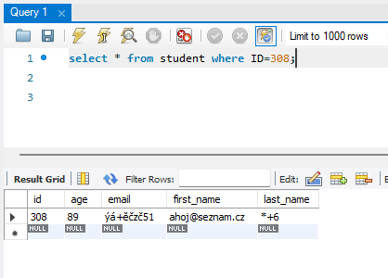
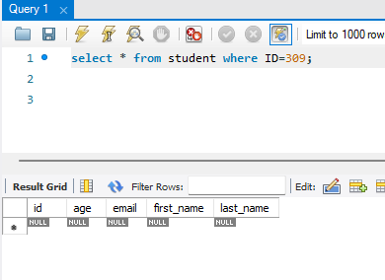

 | Steps: | 1) user sends URI: DELETE http://database.stedro.com:8080/api/v1/students/308 | 1) user sends URI: DELETE http://database.stedro.com:8080/api/v1/students/309 | 1) user sends URI: DELETE http://database.stedro.com:8080/api/v1/students/jana | 1) user sends URI: DELETE http://database.stedro.com:8080/api/v1/students

 | Expected result: | 1) Request delete info about student 308, server reply 200 (OK) and details about the student would be not found in database checked by sending request SELECT * FROM student WHERE ID=308 | 1) Request delete info about non existing student 309, server reply 404 not found. | 1) Request delete info about non existing student "jana", server reply 400 bad request. | 1) Request delete all info about students, server reply 400 bad request.

9) testing "method DELETE" | TEST REPORT
 | Date: | 18/04/2024 | 18/04/2024 | 18/04/2024 | 18/04/2024
 | Enviroment: | Win 11 Pro + MySQL Workbench 8.0 CE + Postman for Windows 10.24.19 | Win 11 Pro + MySQL Workbench 8.0 CE + Postman for Windows 10.24.20 | Win 11 Pro + MySQL Workbench 8.0 CE + Postman for Windows 10.24.21 | Win 11 Pro + MySQL Workbench 8.0 CE + Postman for Windows 10.24.22
 | Status: | PASSED | FAILED | PASSED | FAILED
 | actual steps: | 1) request deleted info about student 308, server reply 200 (OK) - see screenshot enclosed | 1) expexted code response 404 not found, but actual response is 500 internal server error as per screenshot enclosed | 1) server response 400 bad request as per screenshot enclosed | 1) server response 405 Method not allowed as per screenshot enclosed
 |  | 2) details about the student did not found in database - see screenshot enclosed |  |  | 2) expected 400 bad request

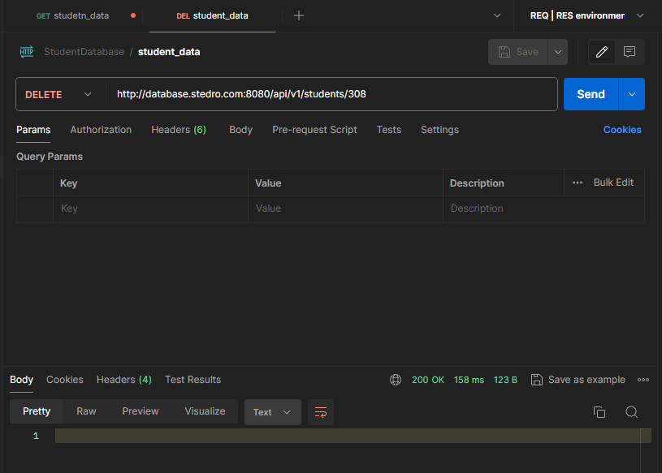
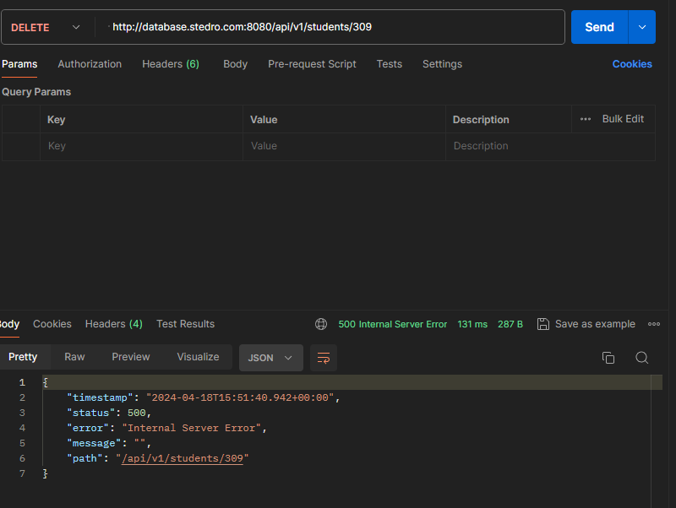
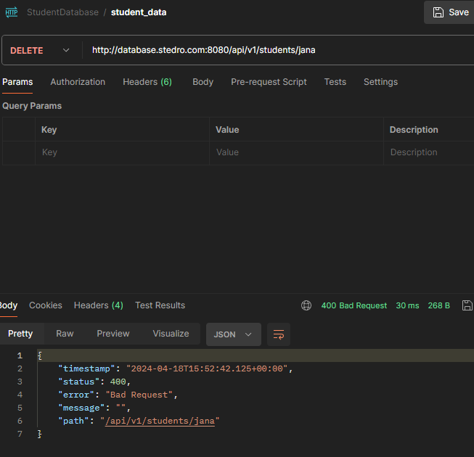
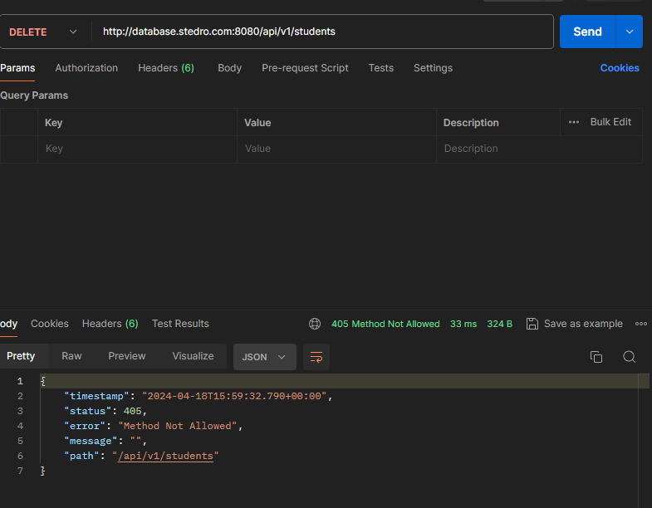

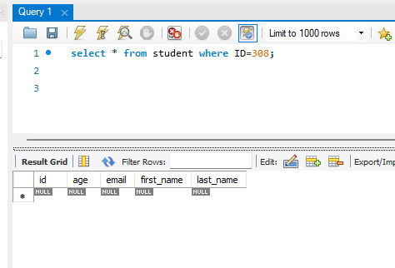

 | BUG REPORT: |  |  | BUG REPORT:
 | Defect ID: | 2 |  | Defect ID: | 3

 | Defect Title: | Server response for deleting non existing student |  | Defect Title: | Server response for deleting all database

 | Defect description: | When sending request to delete not existing student getting response 500 internal reserver error . |  | Defect description: | When sending request to delete all students getting response 405 Method not allowed

 | Expected behavior: | Server response 404 not found. |  | Expected behavior: | Server response 400 bad request.

 | Steps to reproduce: | 1) confim in database that ID 309 is non existing student |  | Steps to reproduce: | 1. send URI: DELETE http://database.stedro.com:8080/api/v1/students
 |  | 2) send URI: DELETE http://database.stedro.com:8080/api/v1/students/309
 |  |  |  | Enviroment: | Win 11 Pro + MySQL Workbench 8.0 CE + Postman for Windows 10.24.19
 | Enviroment: | Win 11 Pro + MySQL Workbench 8.0 CE + Postman for Windows 10.24.19
 |  |  |  | Severity + priority: | Severity - low
 | Severity + priority: | Severity - medium |  |  | Priority - low
 |  | Priority - normal
 |  |  |  | Evidence: | Postman server response
 | Evidence: | Screenshots showing that ID is not existing student
 |  | Postman server response

10) re-test + regression testing for method GET | TEST CASE
 |  | Verify the student data | Verify the student data - negative - ID correct format | Verify the student data - negative - ID incorrect format | Verify the student data - no ID - all students
 | Descriptions: | Validate existing student data and display correct data from the database | Validate to get data of a non-existent student with the correct ID format | Validate to get data of a non-existent student with the incorrect ID format | Validate to get data of all students by not providing ID
 | Tool: | My SQL workbench / Postman | My SQL workbench / Postman | My SQL workbench / Postman | My SQL workbench / Postman
 | Prerequisites: | URL: http://database.stedro.com:8080/api/v1/students/<student_id> | URL: http://database.stedro.com:8080/api/v1/students/<student_id> | URL: http://database.stedro.com:8080/api/v1/students/<student_id> | URL: http://database.stedro.com:8080/api/v1/students/<student_id>
 |  | database : databaze qa_demo host aws.connect.psdb.cloud userName i84vadv7fflhyhbagctk password pscale_pw_j82wJU4Hp0uLgF29FuatMj8dYSrrvzpIBtiJRQ8yshQ | database : databaze qa_demo host aws.connect.psdb.cloud userName i84vadv7fflhyhbagctk password pscale_pw_j82wJU4Hp0uLgF29FuatMj8dYSrrvzpIBtiJRQ8yshQ | database : databaze qa_demo host aws.connect.psdb.cloud userName i84vadv7fflhyhbagctk password pscale_pw_j82wJU4Hp0uLgF29FuatMj8dYSrrvzpIBtiJRQ8yshQ | database : databaze qa_demo host aws.connect.psdb.cloud userName i84vadv7fflhyhbagctk password pscale_pw_j82wJU4Hp0uLgF29FuatMj8dYSrrvzpIBtiJRQ8yshQ

 | Test DATA prep: | id=175 | id=172 | id=jana | no ID
 |  | age=34
 |  | email=ayrton@senna.com
 |  | first_name=
 |  | last_name= SENNA
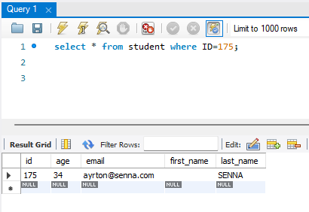
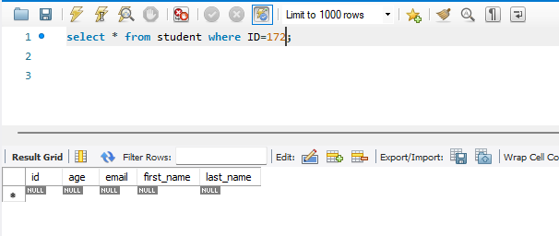

 | Steps: | 1) user sends URI: GET http://database.stedro.com:8080/api/v1/students/175 | 1) user sends URI: GET http://database.stedro.com:8080/api/v1/students/172 | 1) user sends URI: GET http://database.stedro.com:8080/api/v1/students/jana | 1) user sends URI: GET http://database.stedro.com:8080/api/v1/students

 | Expected result: | 1) Request get info about student ID 175, server reply 200 (OK) and details about student in the JSON format: | 1) Request get info about non existing student ID 172, server reply 404 not found. | 1) Request get info in incorrect formnat "jana", server reply 400 bad request. | 1) Request get info about all students not using any ID, server reply 400 bad request.

 |  | { "id":175, "firstName": ""; "lastName": SENNA; "email": ayrton@senna.com; "age": 34 }

 | TEST REPORT
 | Date: | 18/04/2024 | 18/04/2024 | 18/04/2024 | 18/04/2024
 | Enviroment: | Win 11 Pro + MySQL Workbench 8.0 CE + Postman for Windows 10.24.19 | Win 11 Pro + MySQL Workbench 8.0 CE + Postman for Windows 10.24.20 | Win 11 Pro + MySQL Workbench 8.0 CE + Postman for Windows 10.24.21 | Win 11 Pro + MySQL Workbench 8.0 CE + Postman for Windows 10.24.22
 | Status: | PASSED | FAILED | PASSED | FAILED
 | Actual steps: | 1) student data matched, server respons 200 OK see as per screenshot | 1) expexted code response 404 not found, but actual response is 500 internal server error as per screenshot enclosed | 1) server response 400 bad request as per screenshot enclosed | 1) server response 200 OK and show all students data
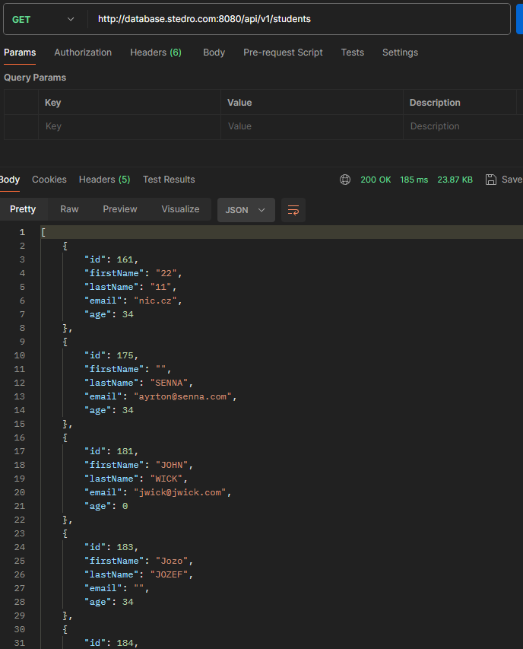
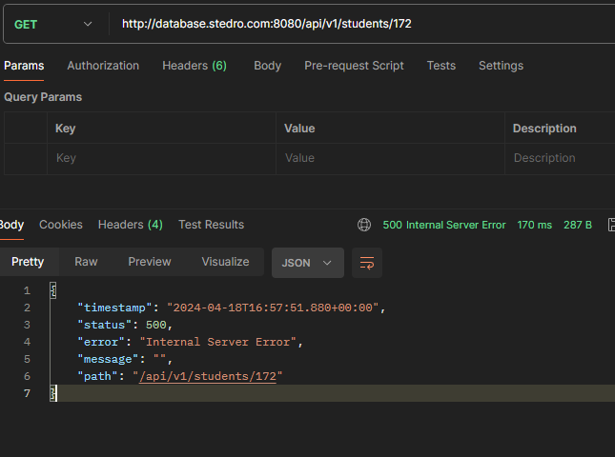
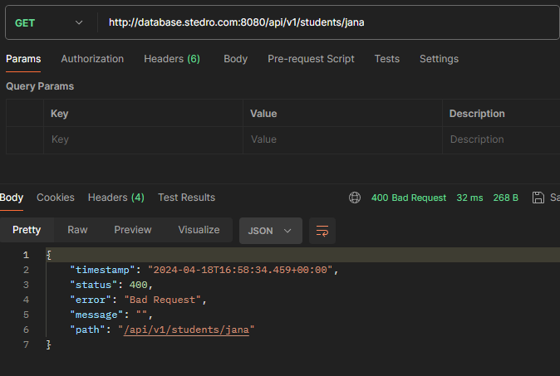
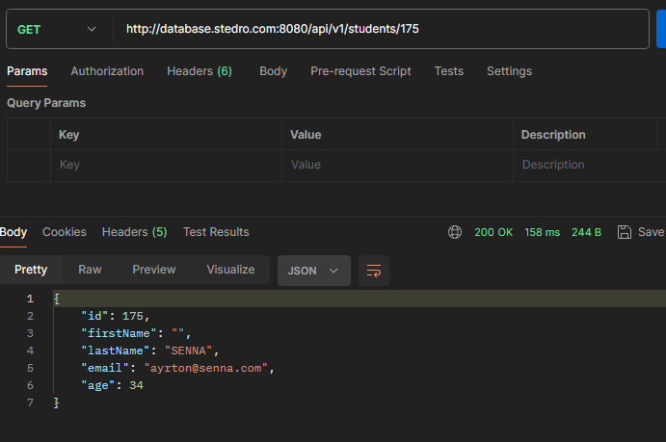

 | BUG REPORT: |  |  | BUG REPORT:
 | Defect ID: | 4 |  | Defect ID: | 5

 | Defect Title: | Server response for getting data for non existing student |  | Defect Title: | Server response for getting data for all students

 | Defect description: | When sending request to get information about not existing student getting response 500 internal reserver error . |  | Defect description: | When sending request to get information about all student, NO ID fromat, getting all list of students

 | Expected behavior: | Server response 404 not found. |  | Expected behavior: | Server response 400 bad request.

 | Steps to reproduce: | 1) confim in database that ID 172 is non existing student |  | Steps to reproduce: | 1) send URI: GET http://database.stedro.com:8080/api/v1/students
 |  | 2) send URI: GET http://database.stedro.com:8080/api/v1/students/172

 | Enviroment: | Win 11 Pro + MySQL Workbench 8.0 CE + Postman for Windows 10.24.19 |  | Enviroment: | Win 11 Pro + MySQL Workbench 8.0 CE + Postman for Windows 10.24.19

 | Severity + priority: | Severity - medium |  | Severity + priority: | Severity - high
 |  | Priority - normal |  |  | Priority - high

 | Evidence: | Screenshots showing that ID is not existing student |  | Evidence: | Postman server response
 |  | Postman server response

11) What do I need to write a test case to verify the POST method

- URL
- permissions to write to the database or contact
- expected HTTP status codes
- test purpose
- limits for data values ​​of individual fields?
- JSON body
- are additional parameters needed for URL, body, authentication/authorization
- do we have required fields?

12) Test case k overeni metody POST | TEST CASE
 |  | 12.1 New student user | 12.2 New student user - empty all | 12.3 New student user - FIRST NAME + Last name |  |  |  | 12.4 New student user - email + age
 | Descriptions: | Creating new student user and new data will be found in the database and LowerCase () applied in database | Creating new student user and with leaving all fields empty | Creating new student user and with different formats of the first and last name |  |  |  | Creating new student user and with different formats of the name
 | Tool: | My SQL workbench / Postman | My SQL workbench / Postman | My SQL workbench / Postman |  |  |  | My SQL workbench / Postman
 | Prerequisites: | URL: http://database.stedro.com:8080/api/v1/students/ | URL: http://database.stedro.com:8080/api/v1/students/ | URL: http://database.stedro.com:8080/api/v1/students/ |  |  |  | URL: http://database.stedro.com:8080/api/v1/students/
 |  | database : databaze qa_demo host aws.connect.psdb.cloud userName 11mwuqgcr0e1bxrwi4zc password pscale_pw_oGEqbQXYqsOnYdfD2KXPgpgnMBp689jam39p5zxBVA1 | database : databaze qa_demo host aws.connect.psdb.cloud userName 11mwuqgcr0e1bxrwi4zc password pscale_pw_oGEqbQXYqsOnYdfD2KXPgpgnMBp689jam39p5zxBVA1 | database : databaze qa_demo host aws.connect.psdb.cloud userName 11mwuqgcr0e1bxrwi4zc password pscale_pw_oGEqbQXYqsOnYdfD2KXPgpgnMBp689jam39p5zxBVA1 |  |  |  | database : databaze qa_demo host aws.connect.psdb.cloud userName 11mwuqgcr0e1bxrwi4zc password pscale_pw_oGEqbQXYqsOnYdfD2KXPgpgnMBp689jam39p5zxBVA1

 | Test DATA prep: | { "firstName": "Alena", "lastName": "NoVakova", "age":26, "email": "Alena26@mail.com" } | { "firstName": "", "lastName": "", "age":"", "email": "" } | a) short FIRST + LAST name lower interval { "firstName": "Eva", "lastName": "Ab1", "age":26, "email": "eva26@mail.com" } | b) long FIRST + LAST name upper interval { "firstName": "qwertyuiopasdfghjkl1", "lastName": "qwertyuiopasdfghjklx", "age":26, "email": "eva26@mail.com" } | c) to short FIRST + LAST name { "firstName": "E", "lastName": "N", "age":26, "email": "eva26@mail.com" } | d) to long FIRST + LAST name { "firstName": "qwertyuiopasdfghjklzx", "lastName": "qwertyuiopasdfghjklzx", "age":26, "email": "eva26@mail.com" } | a) out of lower interval AGE + EMAIL incorrect format missing characters before @ { "firstName": "Tomas", "lastName": "Dvorak", "age":0, "email": "@mail.com" } | b) out of upper interval AGE + EMAIL incorrect format missing characters after @ and before .* { "firstName": "Tomas", "lastName": "Dvorak", "age":120, "email": "123456@.com" } | c)lower interval AGE + EMAIL incorrect format missing character @ { "firstName": "Tomas", "lastName": "Dvorak", "age":1, "email": "tomas126mail.com" } | d) upper interval AGE + EMAIL incorrect format missing sequnce @*.* { "firstName": "Tomas", "lastName": "Dvorak", "age":119, "email": "12365" } | e) incorrect AGE format + empty email { "firstName": "Tomas", "lastName": "Dvorak", "age":3.5, "email": "" } | f) incorrect AGE format + no email { "firstName": "Tomas", "lastName": "Dvorak", "age":-5, }

 | Steps: | 1) user sends URI: POST http://database.stedro.com:8080/api/v1/students/ with new data in JSON format: | 1) user sends URI: POST http://database.stedro.com:8080/api/v1/students/ with new data in JSON format: | 1) user sends URI: POST http://database.stedro.com:8080/api/v1/students/ with new data in JSON format: |  |  |  | 1) user sends URI: POST http://database.stedro.com:8080/api/v1/students/ with new data in JSON format:
 |  | { "firstName": "Alena", "lastName": "NoVakova", "age":26, "email": "Alena26@mail.com" } | { "firstName": "", "lastName": "", "age":"", "email": "" } | a) short FIRST + LAST name lower interval: { "firstName": "Eva", "lastName": "Ab1", "age":26, "email": "eva26@mail.com" } | b) long FIRST + LAST name upper interval { "firstName": "qwertyuiopasdfghjkl1", "lastName": "qwertyuiopasdfghjklx", "age":26, "email": "eva26@mail.com" } | c)to short FIRST + LAST name { "firstName": "E", "lastName": "N", "age":26, "email": "eva26@mail.com" } | d) to long FIRST + LAST name { "firstName": "qwertyuiopasdfghjklzx", "lastName": "qwertyuiopasdfghjklzx", "age":26, "email": "eva26@mail.com" } | a) out of lower interval AGE + EMAIL incorrect format missing characters before @ { "firstName": "Tomas", "lastName": "Dvorak", "age":0, "email": "@mail.com" } | b) out of upper interval AGE + EMAIL incorrect format missing characters after @ and before .* { "firstName": "Tomas", "lastName": "Dvorak", "age":120, "email": "123456@.com" } | c)lower interval AGE + EMAIL incorrect format missing character @ { "firstName": "Tomas", "lastName": "Dvorak", "age":1, "email": "tomas126mail.com" } | d) upper interval AGE + EMAIL incorrect format missing sequnce @*.* { "firstName": "Tomas", "lastName": "Dvorak", "age":119, "email": "12365" } | e) incorrect AGE format + empty email { "firstName": "Tomas", "lastName": "Dvorak", "age":3.5, "email": "" } | f) incorrect AGE format + no email { "firstName": "Tomas", "lastName": "Dvorak", "age":-5 }
 | Expected result: | 1) Request create new student, server reply 201 (CREATED) and display following data in JSON fromat : | 400 bad request - first name and last name age and email is required | a) short FIRST + LAST name lower interval: - Request create new student, server reply 201 (CREATED) and display following data in JSON fromat : { "id": "generated ID", "firstName": "Eva", "lastName": "ab1", "age":26, "email": "eva26@mail.com" } - details about the student would be found in database checked by sending request SELECT * FROM student WHERE last_name LIKE 'ab1' | b) long FIRST + LAST name upper interval - Request create new student, server reply 201 (CREATED) and display following data in JSON fromat : { "id": "generated ID", "firstName": "qwertyuiopasdfghjkl1", "lastName": "qwertyuiopasdfghjklx", "age":26, "email": "eva26@mail.com" } - details about the student would be found in database checked by sending request SELECT * FROM student WHERE last_name LIKE 'qwertyuiopasdfghjklx' | c) to short FIRST + LAST name - 400 bad request - first name and last name must be in between 3 - 20 characters | d) to long FIRST + LAST name - 400 bad request - first name and last name must be in between 3 - 20 characters | a) out of lower interval AGE + EMAIL incorrect format missing characters before @ - 400 bad request error email must be as *@*.* and age must be between 0 - 120 | b) out of upper interval AGE + EMAIL incorrect format missing characters after @ and before .* - 400 bad request error email must be as *@*.* and age must be between 0 - 120 | c)lower interval AGE + EMAIL incorrect format missing character @ - 400 bad request error email must be as *@*.* | d) upper interval AGE + EMAIL incorrect format missing sequnce @*.* - 400 bad request error email must be as *@*.* | e) incorrect AGE format + empty email - 400 bad request error email is required and age must be between 0 - 120 | f) incorrect AGE format + no email - 400 bad request error email is required and age must be between 0 - 120
 |  | { "id": "generated ID", "firstName":alena; "lastName": novakova; "email": alena26@mail.com; "age": 26; }
 |  | 2) details about the student would be found in database and LowerCase () applied checked by sending request SELECT * FROM student WHERE last_name like 'novakova'

13) test POST | TEST REPORT
 | Date: | 22/04/2024 | 22/04/2024 | 22/04/2024 | 22/04/2024 | 22/04/2024 | 22/04/2024 | 22/04/2024 | 22/04/2024 | 22/04/2024 | 22/04/2024 | 22/04/2024 | 22/04/2024
 | Enviroment: | Win 11 Pro + MySQL Workbench 8.0 CE + Postman for Windows 10.24.19 | Win 11 Pro + MySQL Workbench 8.0 CE + Postman for Windows 10.24.20 | Win 11 Pro + MySQL Workbench 8.0 CE + Postman for Windows 10.24.21 | Win 11 Pro + MySQL Workbench 8.0 CE + Postman for Windows 10.24.22 | Win 11 Pro + MySQL Workbench 8.0 CE + Postman for Windows 10.24.23 | Win 11 Pro + MySQL Workbench 8.0 CE + Postman for Windows 10.24.24 | Win 11 Pro + MySQL Workbench 8.0 CE + Postman for Windows 10.24.23 | Win 11 Pro + MySQL Workbench 8.0 CE + Postman for Windows 10.24.24 | Win 11 Pro + MySQL Workbench 8.0 CE + Postman for Windows 10.24.25 | Win 11 Pro + MySQL Workbench 8.0 CE + Postman for Windows 10.24.26 | Win 11 Pro + MySQL Workbench 8.0 CE + Postman for Windows 10.24.27 | Win 11 Pro + MySQL Workbench 8.0 CE + Postman for Windows 10.24.28
 | Status: | FAILED | FAILED | FAILED | FAILED | FAILED | FAILED | FAILED | FAILED | FAILED | FAILED | FAILED | FAILED
 | Actual steps: | 1) server response 200 OK instead 201 displayed data in different JSON format | 1) server response 500 internal server error | a) short FIRST + LAST name lower interval: FAILED - server reply 200 (OK) instead 201 and display following data in JSON fromat : { "id": 672, "firstName": "Eva", "lastName": "AB1", "email": "eva26@mail.com" "age":26, } - info matchin database match as per SELECT * FROM student WHERE last_name like 'AB1' | b) long FIRST + LAST name upper interval - server reply 200 (OK) insted 201 and display following data in JSON fromat : { "id": "770", "firstName": "Qwertyuiopasdfghjkl1", "lastName": "QWERTYUIOPASDFGHJKLX", "age":26, "email": "eva26@mail.com" } - info matchin database match SELECT * FROM student WHERE last_name like 'QWERTYUIOPASDFGHJKLX' | c)to short FIRST + LAST name - server reply 200 (OK) instead 400 bad request and display following data in JSON fromat : { "id": "769", "firstName": "E", "lastName": "N", "age":26, "email": "eva26@mail.com" } - details about the student was find in database checked by sending request SELECT * FROM student WHERE last_name like 'N'" | d) to long FIRST + LAST name - server reply 200 (OK) instead 400 bad request and display following data in JSON fromat : { "id": 767, "firstName": "Qwertyuiopasdfghjklzx", "lastName": "QWERTYUIOPASDFGHJKLZX", "age"":26, "email": ""eva26@mail.com" } - details about the student was finnd in database checked by sending request SELECT * FROM student WHERE first_name like 'Qwertyuiopasdfghjklzx'" | a) out of lower interval AGE + EMAIL incorrect format missing characters before @ - server reply 200 (OK) instead 400 bad request and display following data in JSON fromat : { "id": 705, "firstName": "Tomas", "lastName": "Dvorak", "age":0, "email": "@mail.com" } - details about the student was find in database checked by sending request SELECT * FROM student WHERE EMAIL like "@mail.com" | b) out of upper interval AGE + EMAIL incorrect format missing characters after @ and before .* - server reply 200 (OK) instead 400 bad request and display following data in JSON fromat : { "id": 707, "firstName": "Tomas", "lastName": "DVORAK", "age":120, "email": "123456@.com" } - details about the student was find in database checked by sending request SELECT * FROM student WHERE EMAIL like "123456@.com" | c)lower interval AGE + EMAIL incorrect format missing character @ - server reply 200 (OK) instead 400 bad request and display following data in JSON fromat : { "id": 708, "firstName": "Tomas", "lastName": "DVORAK", "age":1, "email": "tomas126mail.com" } - details about the student was find in database checked by sending request SELECT * FROM student WHERE EMAIL like "tomas126mail.com" | d) upper interval AGE + EMAIL incorrect format missing sequnce @*.* - server reply 200 (OK) instead 400 bad request and display following data in JSON fromat : { "id": 705, "firstName": "Tomas", "lastName": "Dvorak", "age":119, "email": "12365" } - details about the student was find in database checked by sending request SELECT * FROM student WHERE EMAIL like "12365" | e) incorrect AGE format + empty email - server reply 200 (OK) instead 400 bad request and display following data in JSON fromat : { "id":765, "firstName": "Tomas", "lastName": "DVORAK", "age":3.5, "email": "" } - details about the student was find in database checked by sending request SELECT * FROM student WHERE age=3 AND first_nameLIKE 'Tomas' | f) incorrect AGE format + no email - server response 500 internal server error
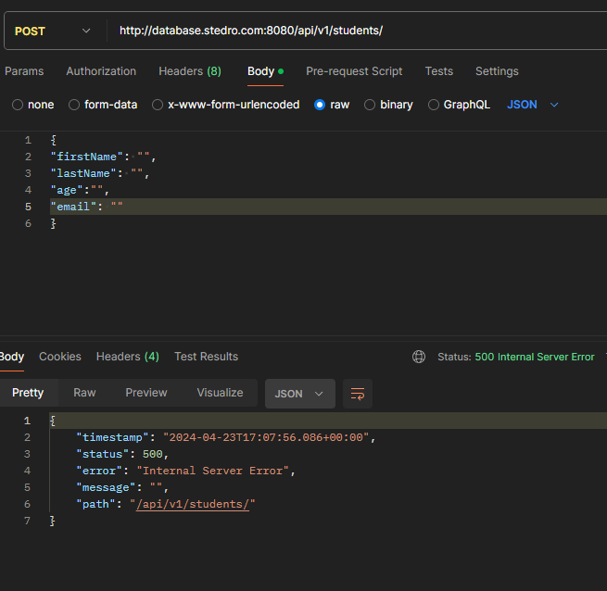
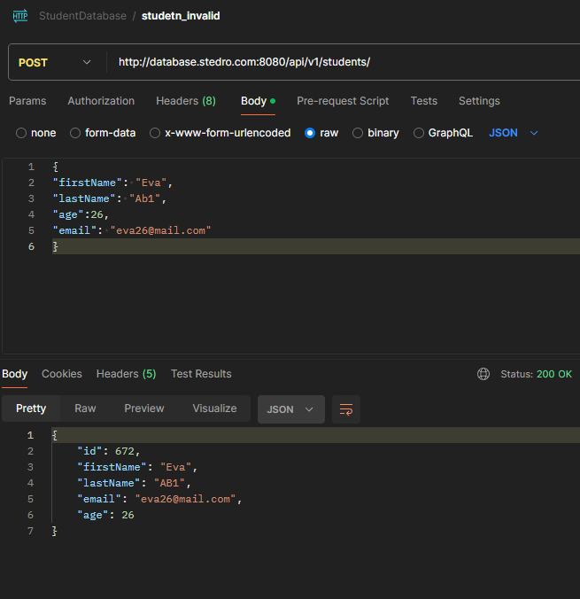
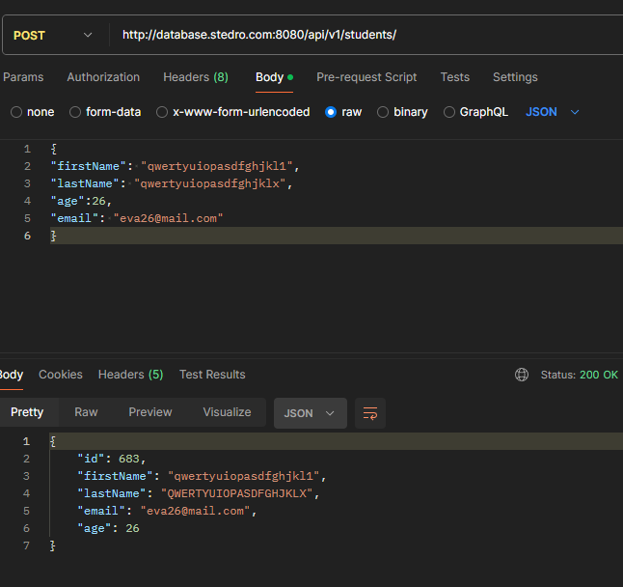
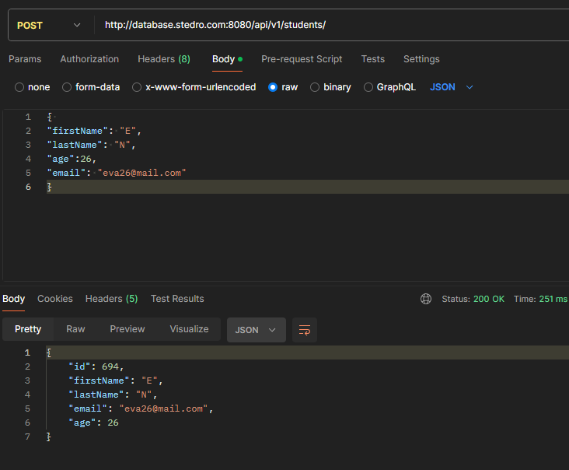
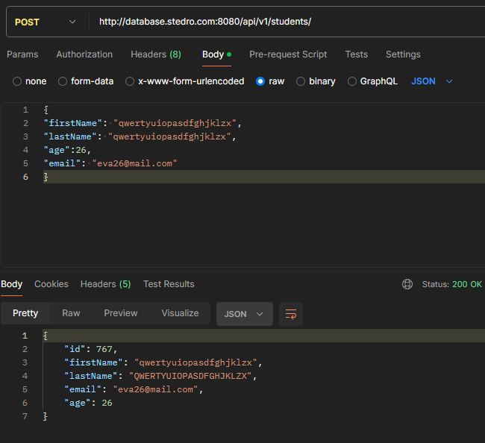
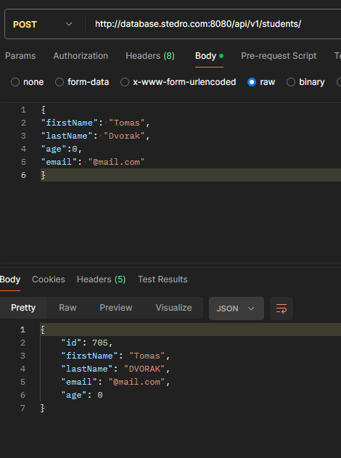
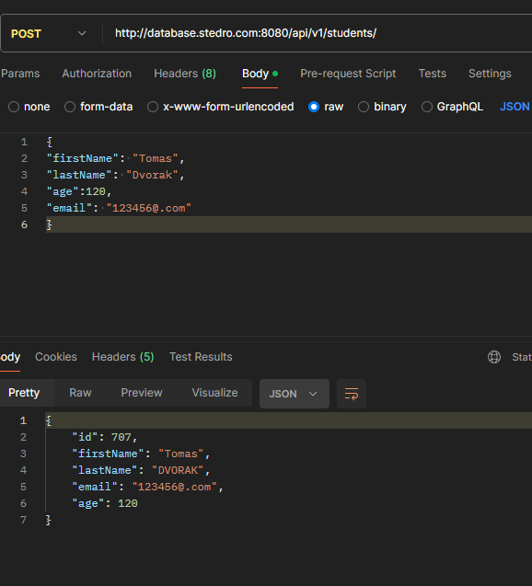
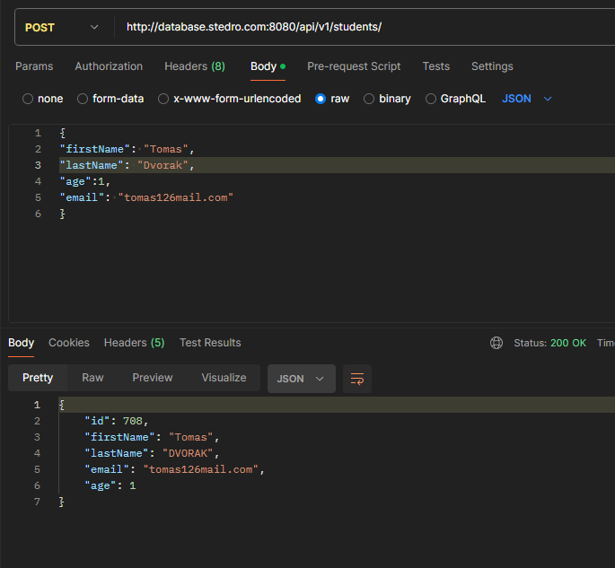
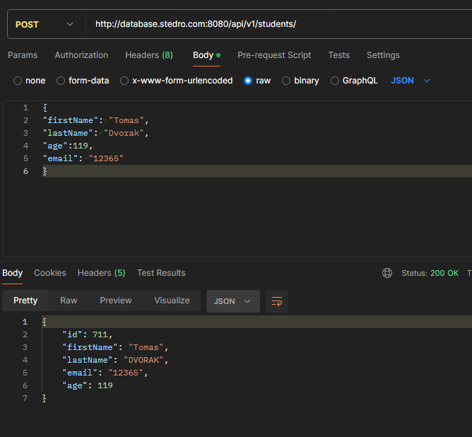
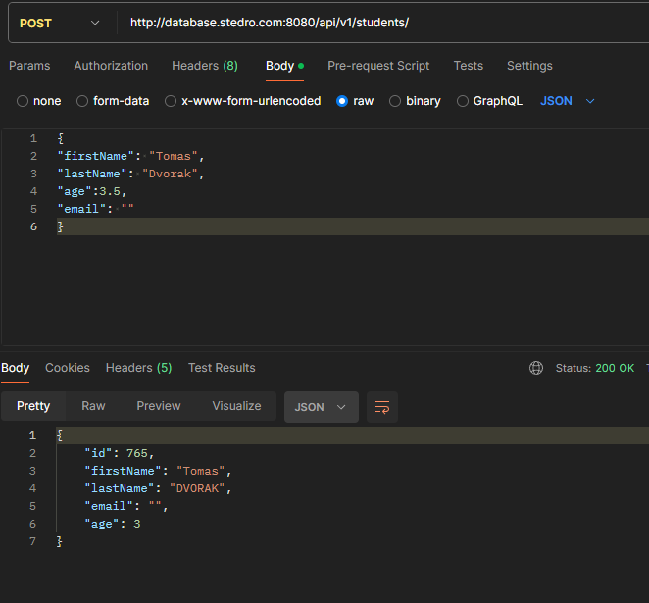
 |  | " { "id": "652", "firstName": "Alena"; ""lastName"": "NOVAKOVA"; "email": Alena26@mail.com; "age": 26; }" |  |  |  |  |  |  |  |  |  |  | 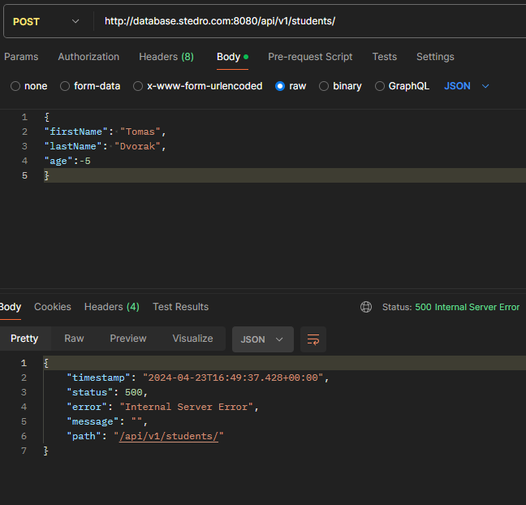
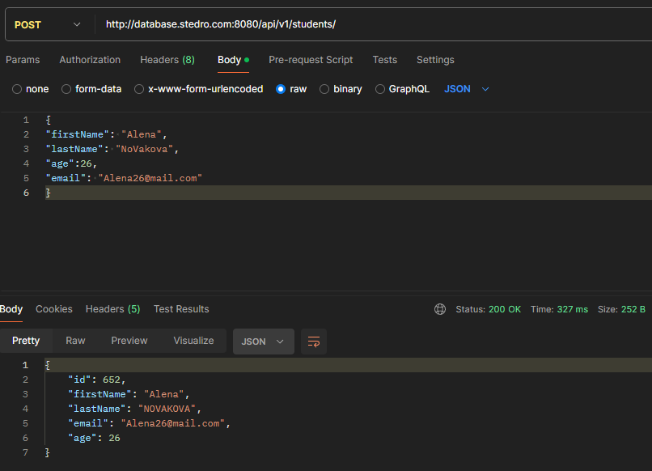

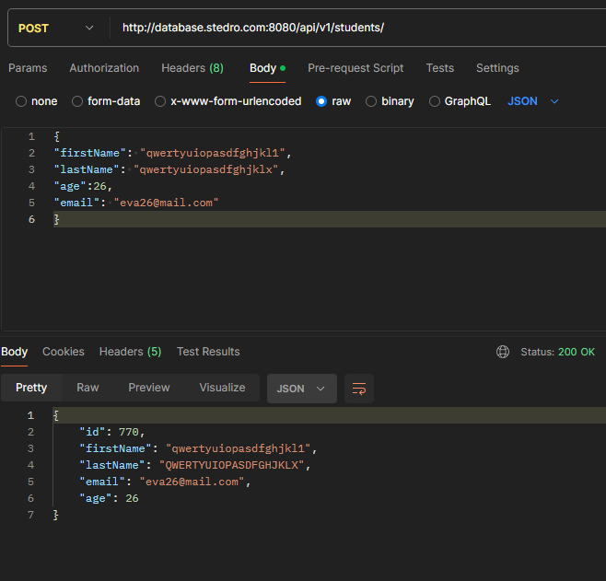
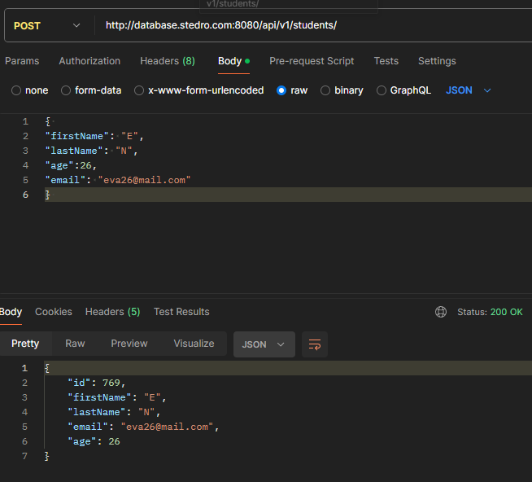
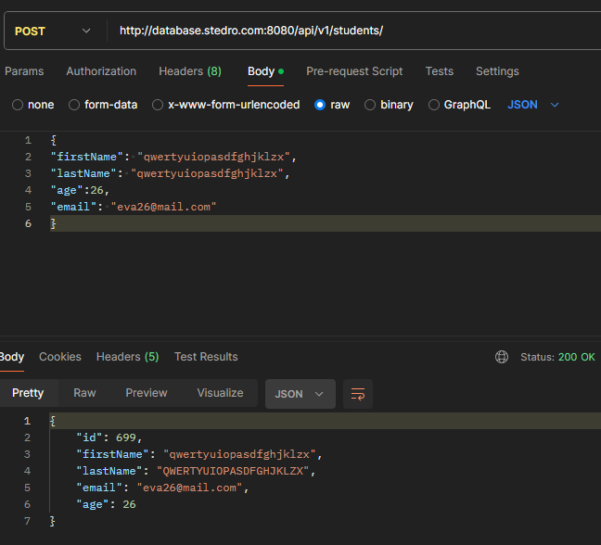

 |  | 2) student created in database first name 1stUppere case last name all uppercase
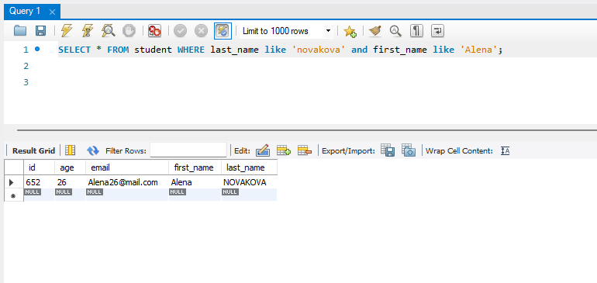
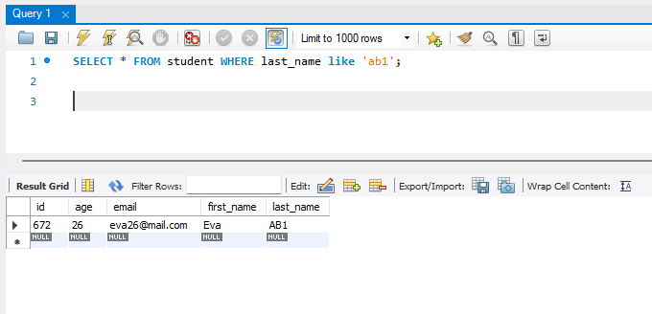
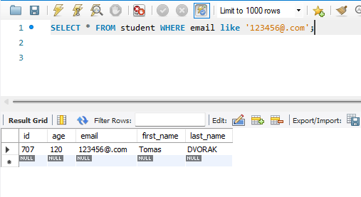

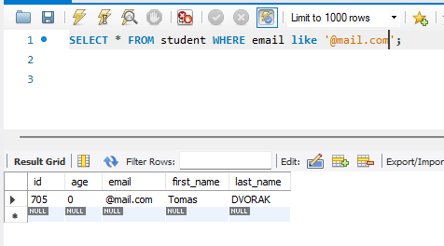
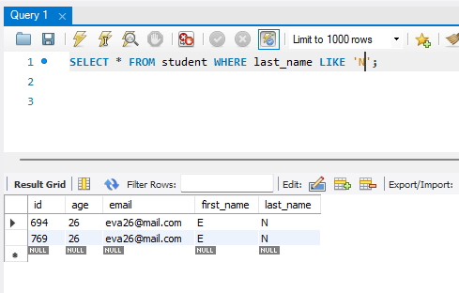
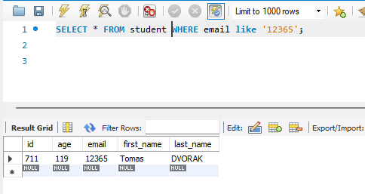
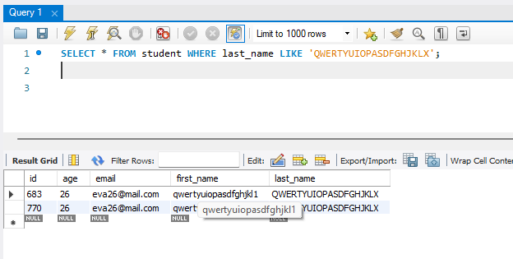

 | BUG REPORT:
 | Defect ID: | 6 | 7 | 8 | 9 | 10 | 11 | 12 | 13 | 14 | 15 | 16 | 17

 | Defect Title: | Server response for creating data and LowerCase | Missing error message | Server response for creating student data | Server response for creating student data | Server response for creating student data and missing error message | Server response for creating student data and missing error message | Server response for creating student data and missing error message | Server response for creating student data and missing error message | Server response for creating student data and missing error message | Server response for creating student data and missing error message | Server response for creating student data and missing error message | Server response for creating student data

 | Defect description: | When new student created server response is 200 OK and LowerCase not applied in string fields - last name fully UPPER case, first name 1st character Upper case rest lower, email Lower case not applied | When new student with empty fields created server response is 500 internal server error | a) short FIRST + LAST name lower interval: - server reply 200 (OK) instead 201 created | a) long FIRST + LAST name lower interval: - server reply 200 (OK) instead 201 created | When new student created with to short lenght for first and last name server reply 200 (OK) instead 400 bad request and display following data for new student and details about the student was find in database. | When new student created with to long lenght for first and last name server reply 200 (OK) instead 400 bad request and display following data for new student and details about the student was find in database. | When new student created with out of lower interval AGE + EMAIL incorrect format missing characters before @ server reply 200 (OK) instead 400 bad request and display following data for new student and details about the student was find in database. | When new student created with out of upper interval AGE + EMAIL incorrect format missing characters after @ and before .* server reply 200 (OK) instead 400 bad request and display following data for new student and details about the student was find in database. | When new student created lower interval AGE + EMAIL incorrect format missing character @ and before .* server reply 200 (OK) instead 400 bad request and display following data for new student and details about the student was find in database. | When new student created with upper interval AGE + EMAIL incorrect format missing sequnce @*.* server reply 200 (OK) instead 400 bad request and display following data for new student and details about the student was find in database. | When new student created with incorrect AGE format + empty email server reply 200 (OK) instead 400 bad request and display following data for new student and details about the student was find in database. | When new student created with incorrect AGE format + no email server reply 500 instead 400 bad request and display following data for new student and details about the student was find in database.

 | Expected behavior: | Server response 201 CREATED all characterecs in string field applied LOWER CASE. | Server response 400 bad request first name and last name age and email is required | Server response 201 CREATED | Server response 201 CREATED | Server response 400 bad request and error message FIRST and LAST name must be in between 3 - 20 characters | Server response 400 bad request and error message FIRST and LAST name must be in between 3 - 20 characters | Server response 400 bad request and error message - email must be as *@*.* and age must be between 0 - 120 | Server response 400 bad request and error message - email must be as *@*.* and age must be between 0 - 120 | Server response 400 bad request and error message - email must be as *@*.* | Server response 400 bad request and error message - email must be as *@*.* | Server response 400 bad request and error message email is required and age must be between 0 - 120 | Server response 400 bad request and error message email is required and age must be between 0 - 120
 |  | 1) user sends URI: POST http://database.stedro.com:8080/api/v1/students/ with new data in JSON format: | 1) user sends URI: POST http://database.stedro.com:8080/api/v1/students/ with new data in JSON format: | 1) user sends URI: POST http://database.stedro.com:8080/api/v1/students/ with new data in JSON format: | 1) user sends URI: POST http://database.stedro.com:8080/api/v1/students/ with new data in JSON format: | 1) user sends URI: POST http://database.stedro.com:8080/api/v1/students/ with new data in JSON format: | 1) user sends URI: POST http://database.stedro.com:8080/api/v1/students/ with new data in JSON format: | 1) user sends URI: POST http://database.stedro.com:8080/api/v1/students/ with new data in JSON format: | 1) user sends URI: POST http://database.stedro.com:8080/api/v1/students/ with new data in JSON format: | 1) user sends URI: POST http://database.stedro.com:8080/api/v1/students/ with new data in JSON format: | 1) user sends URI: POST http://database.stedro.com:8080/api/v1/students/ with new data in JSON format: | 1) user sends URI: POST http://database.stedro.com:8080/api/v1/students/ with new data in JSON format: | 1) user sends URI: POST http://database.stedro.com:8080/api/v1/students/ with new data in JSON format:
 | Steps to reproduce: | { "firstName": "KaRel", "lastName": "JoRDan", "age":32, "email": "KaRel32@mail.com" } | { "firstName": "", "lastName": "", "age":"", "email": "" } | { "firstName": "Eva", "lastName": "Ab1", "age":26, "email": "eva26@mail.com" } | { "firstName": "qwertyuiopasdfghjkl1", "lastName": "qwertyuiopasdfghjklx", "age":26, "email": "eva26@mail.com" } | { "firstName": "E", "lastName": "N", "age":26, "email": "eva26@mail.com" } | { "firstName": "qwertyuiopasdfghjklzx", "lastName": "qwertyuiopasdfghjklzx", "age":26, "email": "eva26@mail.com" } | { "firstName": "Tomas", "lastName": "Dvorak", "age":0, "email": "@mail.com" } | { "firstName": "Tomas", "lastName": "Dvorak", "age":120, "email": "123456@.com" } | { "firstName": "Tomas", "lastName": "Dvorak", "age":1, "email": "tomas126mail.com" } | { "firstName": "Tomas", "lastName": "Dvorak", "age":119, "email": "12365" } | { "firstName": "Tomas", "lastName": "Dvorak", "age":3.5, "email": "" } | { "firstName": "Tomas", "lastName": "Dvorak", "age":-5, }
 |  |  |  |  |  | 2) details about the student was find in database checked by sending request SELECT * FROM student WHERE last_name like 'N' | 2) details about the student was find in database checked by sending request SELECT * FROM student WHERE first_name like 'Qwertyuiopasdfghjklzx' | 2) details about the student was find in database checked by sending request SELECT * FROM student WHERE EMAIL like '@mail.com' | 2) details about the student was find in database checked by sending request SELECT * FROM student WHERE EMAIL like '123456@.com' | 2) details about the student was find in database checked by sending request SELECT * FROM student WHERE EMAIL like 'tomas126mail.com' | 2) details about the student was find in database checked by sending request SELECT * FROM student WHERE EMAIL like '12365' | 2) details about the student was find in database checked by sending request SELECT * FROM student WHERE age=3 AND first_nameLIKE 'Tomas'

 | Enviroment: | Win 11 Pro + MySQL Workbench 8.0 CE + Postman for Windows 10.24.19 | Win 11 Pro + MySQL Workbench 8.0 CE + Postman for Windows 10.24.19 | Win 11 Pro + MySQL Workbench 8.0 CE + Postman for Windows 10.24.19 | Win 11 Pro + MySQL Workbench 8.0 CE + Postman for Windows 10.24.19 | Win 11 Pro + MySQL Workbench 8.0 CE + Postman for Windows 10.24.19 | Win 11 Pro + MySQL Workbench 8.0 CE + Postman for Windows 10.24.19 | Win 11 Pro + MySQL Workbench 8.0 CE + Postman for Windows 10.24.19 | Win 11 Pro + MySQL Workbench 8.0 CE + Postman for Windows 10.24.19 | Win 11 Pro + MySQL Workbench 8.0 CE + Postman for Windows 10.24.19 | Win 11 Pro + MySQL Workbench 8.0 CE + Postman for Windows 10.24.19 | Win 11 Pro + MySQL Workbench 8.0 CE + Postman for Windows 10.24.19 | Win 11 Pro + MySQL Workbench 8.0 CE + Postman for Windows 10.24.19

 | Severity + priority: | Severity - medium | Severity - medium | Severity - medium | Severity - medium | Severity - medium | Severity - high | Severity - high | Severity - high | Severity - high | Severity - medium | Severity - medium | Severity - medium
 |  | Priority - normal | Priority - normal | Priority - normal | Priority - normal | Priority - normal | Priority - normal | Priority - normal | Priority - normal | Priority - normal | Priority - normal | Priority - normal | Priority - normal

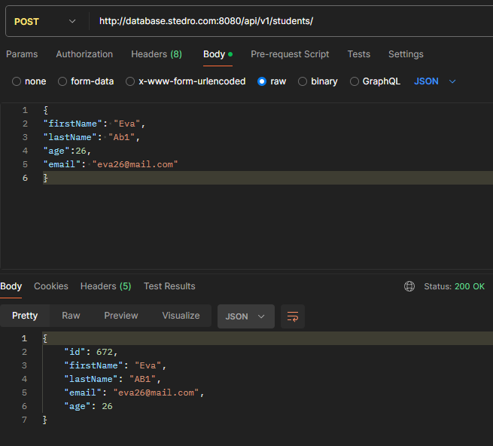
 | Evidence: | Student in database | Postman server response | Postman server response | Postman server response | Postman server response | Postman server response | Postman server response | Postman server response | Postman server response | Postman server response | Postman server response | Postman server response
 |  | Postman server response

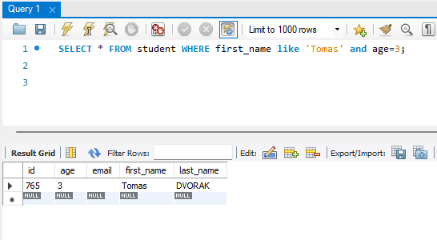

14. RETEST and REGRE | TEST CASE
 |  | 14.1 Delete the student data | 14.2 Delete the student data - not existing student | 14.3 Delete the student data - invalid student ID format | 14.4 Delete the student data
 | Descriptions: | Delete existing student data and data will be not found in the database | Delete non existing student data with valide ID format | Delete student data with invalide ID format | Delete student data without ID
 | Tool: | My SQL workbench / Postman | My SQL workbench / Postman | My SQL workbench / Postman | My SQL workbench / Postman
 | Prerequisites: | URL: http://database.stedro.com:8080/api/v1/students/<student_id> | URL: http://database.stedro.com:8080/api/v1/students/<student_id> | URL: http://database.stedro.com:8080/api/v1/students/<student_id> | URL: http://database.stedro.com:8080/api/v1/students
 |  | database : databaze qa_demo host aws.connect.psdb.cloud userName i84vadv7fflhyhbagctk password pscale_pw_j82wJU4Hp0uLgF29FuatMj8dYSrrvzpIBtiJRQ8yshQ | database : databaze qa_demo host aws.connect.psdb.cloud userName i84vadv7fflhyhbagctk password pscale_pw_j82wJU4Hp0uLgF29FuatMj8dYSrrvzpIBtiJRQ8yshQ | database : databaze qa_demo host aws.connect.psdb.cloud userName i84vadv7fflhyhbagctk password pscale_pw_j82wJU4Hp0uLgF29FuatMj8dYSrrvzpIBtiJRQ8yshQ | database : databaze qa_demo host aws.connect.psdb.cloud userName i84vadv7fflhyhbagctk password pscale_pw_j82wJU4Hp0uLgF29FuatMj8dYSrrvzpIBtiJRQ8yshQ

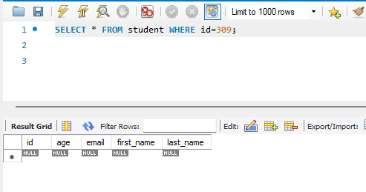
 | Test DATA prep: | id=683 | id=309 | id=jana
 |  | age=26
 |  | email=eva26@mail.com
 |  | first_name=Qwertyuiopasdfghjkl1
 |  | last_name= QWERTYUIOPASDFGHJKLX

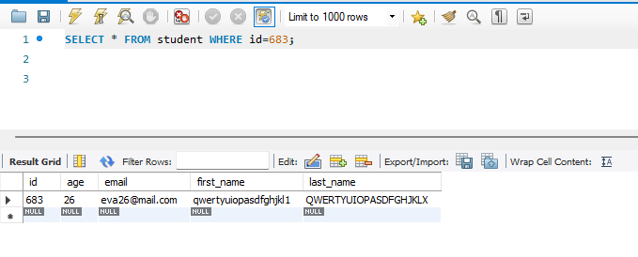

 | Steps: | 1) user sends URI: DELETE http://database.stedro.com:8080/api/v1/students/683 | 1) user sends URI: DELETE http://database.stedro.com:8080/api/v1/students/309 | 1) user sends URI: DELETE http://database.stedro.com:8080/api/v1/students/jana | 1) user sends URI: DELETE http://database.stedro.com:8080/api/v1/students

 | Expected result: | 1) Request delete info about student 683, server reply 200 (OK) and details about the student would be not found in database checked by sending request SELECT * FROM student WHERE ID=683 | 1) Request delete info about non existing student 309, server reply 404 not found. | 1) Request delete info about non existing student "jana", server reply 400 bad request. | 1) Request delete all info about students, server reply 400 bad request.

 | TEST REPORT
 | Date: | 23/04/2024 | 23/04/2024 | 23/04/2024 | 23/04/2024
 | Enviroment: | Win 11 Pro + MySQL Workbench 8.0 CE + Postman for Windows 10.24.19 | Win 11 Pro + MySQL Workbench 8.0 CE + Postman for Windows 10.24.20 | Win 11 Pro + MySQL Workbench 8.0 CE + Postman for Windows 10.24.21 | Win 11 Pro + MySQL Workbench 8.0 CE + Postman for Windows 10.24.22
 | Status: | PASSED | FAILED | PASSED | FAILED
 | actual steps: | 1) request deleted info about student 308, server reply 200 (OK) - see screenshot enclosed | 1) expexted code response 404 not found, but actual response is 500 internal server error as per screenshot enclosed | 1) server response 400 bad request as per screenshot enclosed | 1) server response 405 Method not allowed as per screenshot enclosed
 |  | 2) details about the student did not found in database - see screenshot enclosed |  |  | 2) expected 400 bad request
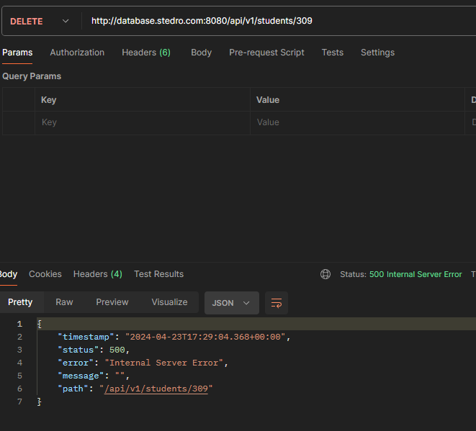
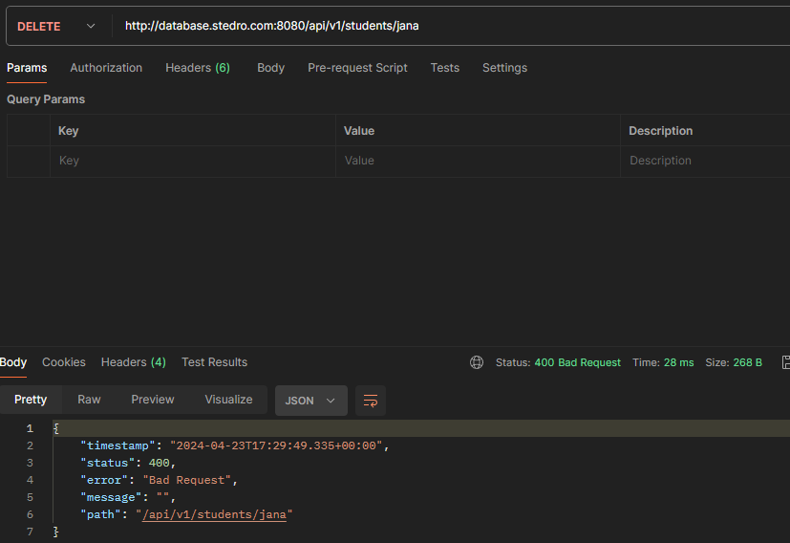
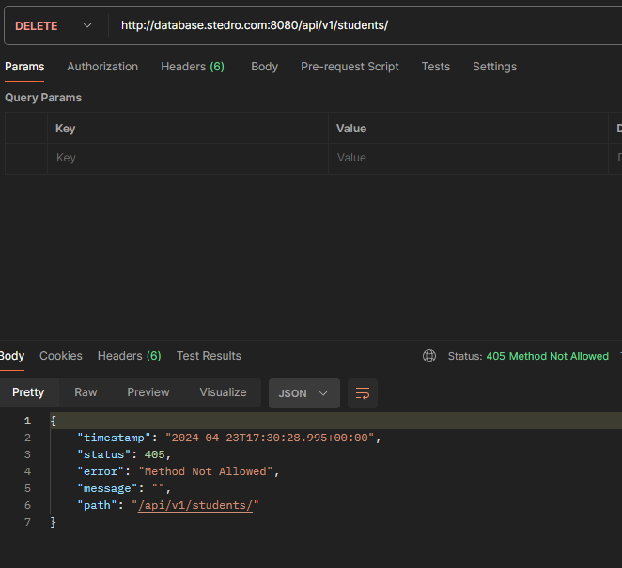
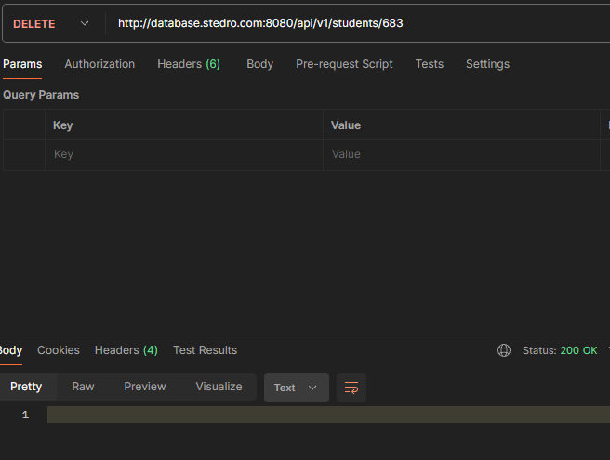



 | BUG REPORT: |  |  | BUG REPORT:
 | Defect ID: | 18 |  | Defect ID: | 19

 | Defect Title: | Server response for deleting non existing student |  | Defect Title: | Server response for deleting all database

 | Defect description: | When sending request to delete not existing student getting response 500 internal reserver error . |  | Defect description: | When sending request to delete all students getting response 405 Method not allowed

 | Expected behavior: | Server response 404 not found. |  | Expected behavior: | Server response 400 bad request.

 | Steps to reproduce: | 1) confim in database that ID 309 is non existing student |  | Steps to reproduce: | 1. send URI: DELETE http://database.stedro.com:8080/api/v1/students
 |  | 2) send URI: DELETE http://database.stedro.com:8080/api/v1/students/309
 |  |  |  | Enviroment: | Win 11 Pro + MySQL Workbench 8.0 CE + Postman for Windows 10.24.19
 | Enviroment: | Win 11 Pro + MySQL Workbench 8.0 CE + Postman for Windows 10.24.19
 |  |  |  | Severity + priority: | Severity - low
 | Severity + priority: | Severity - medium |  |  | Priority - low
 |  | Priority - normal
 |  |  |  | Evidence: | Postman server response
 | Evidence: | Screenshots showing that ID is not existing student
 |  | Postman server response

